1. Title Page
[Instacart Basket Analysis]

Project Name: Instacart Basket Analysis
Date: December 26, 2023
Analyst Name: Marcela Acosta

Contents:
Population Flow
Consistency checks
Wrangling steps
Column derivations
Visualizations
Recommendations

Citation: "The Instacart Online Grocery Shopping Dataset 2017".
Accessed from: | http://www.instacart.com/datasets/grocery-shopping-2017 | via Kaggle on December 26, 2023

2. Population Flow
Title page

Population flow

Orders_products_combined
Orders_products_merged
Orders_products_all

Total: 32434212
Total: 32434489
Total: 32434212

1.) The grey boxes in the first row of the population flow represent the original data sets as they were when you downloaded them. In the Total fields you need to add the count of the rows when you imported the data set into Jupyter.
2.) The second row of boxes (coloured) represents the data sets after you manipulated them, e.g., removed missing values and duplicates. In the Total fields you need to add the count of the rows after conducting these operations. This offers a visual oveview of how the data flows throughout the data consistency checks.
3.) The third row, where also the arrows are coloured, represents the merges you performed between the datasets. In the Total fields you need to add the count of the rows in the merged datasets, so that you end up with the final dataset (in the red box). Keep in mind the final dataset should be without exclusions (based on the exclusion flag).

3. Consistency checks
 |  |  |  | Title page
Consistency checks

Dataset | Missing values | Missing values treatment | Duplicates
orders | 206209 'days_since_prior_order' | Flagged new customers | None
products | 16 'product_name' | Kept for additional identifiers | 5 removed
orders_products_prior | None | N/A | None
customers | 11259 'first_name' | Removed for privacy | None

4. Wrangling steps
 |  |  |  | Title page
Wrangling steps

Columns dropped | Columns renamed | Columns' type changed | Comment/Reason
 |  | user_id | Changed type from integer to string
unnamed: 0.1 |  |  | Removed as unnecessary
unnamed: 0 |  |  | Removed as unnecessary
_merge |  |  | Removed as unnecessary
 | Surnam to surname |  | Corrected spelling to surname
 | First Name to first_name |  | Combined and lowercased to first_name
 | STATE to state |  | Lowercased to state
 | Gender to gender |  | Lowercased to gender
 | Age to age |  | Lowercased to age
 | fam_status to marital_status |  | Renamed to marital_status for clarity
 | n_dependents to num_of_dependants |  | Renamed to num_of_dependents for clarity
first_name |  |  | PII- Security risk
last_name |  |  | PII- Security risk

5. Column derivations
 |  |  |  | Title page

Column derivations and aggregations

Dataset | New column | Column/s it was derived from | Conditions
orders_products_merged.pkl | price_label | prices | if row['prices'] <= 5: return 'Low-range product' elif (row['prices'] > 5) and (row['prices'] <= 15): return 'Mid-range product' elif row['prices'] > 15: return 'High range' else: return 'Not enough data'
orders_products_merged.pkl | price_range_loc | prices | df.loc[df['prices'] > 15, 'price_range_loc'] = 'High-range product' df.loc[(df['prices'] <= 15) & (df['prices'] > 5), 'price_range_loc'] = 'Mid-range product' df.loc[df['prices'] <= 5, 'price_range_loc'] = 'Low-range product'
orders_products_merged.pkl | busiest_day | orders_day_of_week | result = [] for value in ords_prods_merge["orders_day_of_week"]: if value == 0: result.append("Busiest day") elif value == 4: result.append("Least busy") else: result.append("Regularly busy")
orders_products_merged.pkl | busiest_day | orders_day_of_week | results = [] for value in ords_prods_merge["orders_day_of_week"]: if value == 0 or value == 1: results.append("Busiest day") elif value == 4 or value == 3: results.append("Least busy") else: results.append("Regularly busy")
orders_products_merged.pkl | busiest_period_of_day | order_hour_of_day | hour = [] for value in ords_prods_merge["order_hour_of_day"]: if value == 10 or value == 11 or value == 14: hour.append("Most orders") elif value == 2 or value == 4 or value == 3: hour.append("Fewest orders") else: hour.append("Average orders")
orders_products_busiestdays.pkl | loyalty_flag | max_order | ords_prods_merge.loc[ords_prods_merge['max_order'] > 40, 'loyalty_flag'] = 'Loyal customer' ords_prods_merge.loc[(ords_prods_merge['max_order'] <= 40) & (ords_prods_merge['max_order'] > 10), 'loyalty_flag'] = 'Regular customer' ords_prods_merge.loc[ords_prods_merge['max_order'] <= 10, 'loyalty_flag'] = 'New customer'
orders_products_busiestdays.pkl | spending | user_id & prices | ords_prods_merge['spending'] = ords_prods_merge.groupby(['user_id'])['prices'].transform('mean')
orders_products_busiestdays.pkl | spending_flag | spending | ords_prods_merge.loc[ords_prods_merge['spending'] < 10, 'spending_flag'] = 'low spender' ords_prods_merge.loc[ords_prods_merge['spending'] >= 10, 'spending_flag'] = 'high spender'
orders_products_busiestdays.pkl | order_frequency | user_id & days_since_prior_order | ords_prods_merge['order_frequency'] = ords_prods_merge.groupby(['user_id'])['days_since_prior_order'].transform('median')
orders_products_busiestdays.pkl | order_frequency_flag | order_frequency | ords_prods_merge.loc[ords_prods_merge['order_frequency'] > 20, 'order_frequency_flag'] = 'Non-frequent customer' ords_prods_merge.loc[(ords_prods_merge['order_frequency'] <= 20) & (ords_prods_merge['order_frequency'] > 10), 'order_frequency_flag'] = 'Regular customer' ords_prods_merge.loc[ords_prods_merge['order_frequency'] <= 10, 'order_frequency_flag'] = 'Frequent customer'
orders_products_all.pkl | region | state | ords_prods.loc[ords_prods['state'].isin(['Maine', 'New Hampshire', 'Vermont', 'Massachusetts', 'Rhode Island', 'Connecticut', 'New York', 'Pennsylvania', 'New Jersey']), 'regional_flag'] = 'Northeast' ords_prods.loc[ords_prods['state'].isin(['Wisconsin', 'Michigan', 'Illinois', 'Indiana', 'Ohio', 'North Dakota', 'South Dakota', 'Nebraska', 'Kansas', 'Minnesota', 'Iowa', 'Missouri']), 'regional_flag'] = 'Midwest' ords_prods.loc[ords_prods['state'].isin(['Delaware', 'Maryland', 'District of Columbia', 'Virginia', 'West Virginia', 'North Carolina', 'South Carolina', 'Georgia', 'Florida', 'Kentucky', 'Tennessee', 'Mississippi', 'Alabama', 'Oklahoma', 'Texas', 'Arkansas', 'Louisiana']), 'regional_flag'] = 'South' ords_prods.loc[ords_prods['state'].isin(['Idaho', 'Montana', 'Wyoming', 'Nevada', 'Utah', 'Colorado', 'Arizona', 'New Mexico', 'Alaska', 'Washington', 'Oregon', 'California', 'Hawaii']), 'regional_flag'] = 'West'
orders_products_active.pkl | age_group | age | df_opd['age_group'] = pd.cut(df_opd['age'], bins, labels=['18-24', '25-34', '35-44', '45-54', '55-64', '65-74', '75-84'])
orders_products_active.pkl | income_group | income | df_opd['income_group'] = np.where(df_opd['income'] <= lowest_income_threshold, 'Lowest_income', np.where(df_opd['income'] < highest_income_threshold, 'Avg_income', 'Highest_income'))

6. Visualizations
 |  |  |  |  |  | Title page

Visualisations

In this tab you should include all the visualtions from Exercises 4.9 and 4.10, alongside the questions from the project brief that they answer. Include any commentary on the relationship between different variables.

 |  | Orders Day of Week |  |  |  |  |  |  |  |  | Frequency of Prices
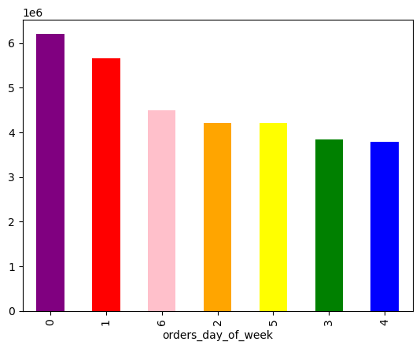

 |  |  |  | 0 = Saturday
 |  |  |  | 1 = Sunday
 |  |  |  | 2 = Monday
 |  |  |  | 3 = Tuesday
 |  |  |  | 4 = Wednesday
 |  |  |  | 5 = Thursday
 |  |  |  | 6 = Friday

The 'Orders by Day of Week' bar chart clearly shows that weekends, particularly Saturdays and Sundays, experience the highest order volumes, which suggests that most customers prefer to do their shopping on weekends.
 |  |  |  |  |  |  |  |  | A significant portion of products fall within the price range of $2 to $15, suggesting a consumer preference for items that are economically priced.

 |  | Weekly Order Price Trends |  |  |  |  |  |  |  |  | Orders by Time of Day

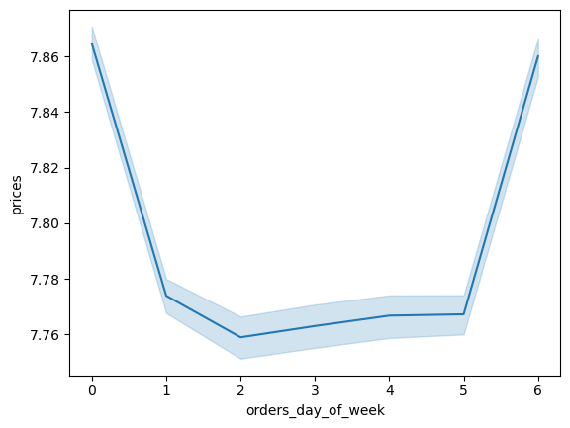
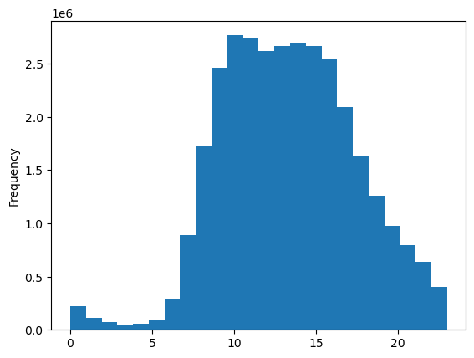

 |  |  |  |  |  |  |  |  | The histogram depicting 'Order Hour of Day' highlights the peak times for order placements, indicating a surge in activity from 9 AM to 4 PM. Conversely, the hours from 1 AM to 6 AM experience a lull in orders. Additionally, there's a noticeable downtrend in order volumes post-4 PM.
The 'Weekly Order Price Trends' line chart reveals a pattern of higher spending on weekends, while prices of orders from Monday to Friday show little variation, indicating a consistent spending habit during weekdays.

 |  | Customer Loyalty |  |  |  |  |  |  | Order Prices Throughout the Day
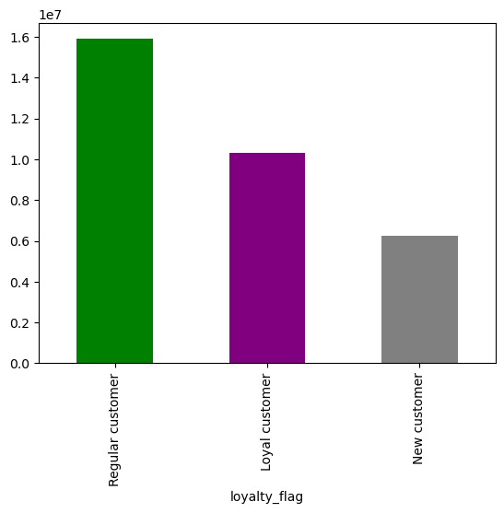
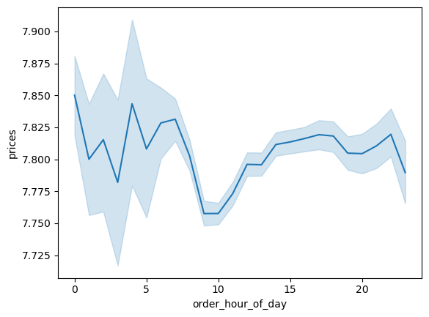

 |  |  |  |  |  |  |  | The 'Order Prices Throughout the Day' line chart suggests a trend where pricier purchases tend to occur around 3 AM, while more economical buys are commonly made at 10 AM.

Regarding brand allegiance, it's observed that repeat customers primarily consist of those who shop regularly rather than those who are deeply loyal. Interestingly, it is the newer customers who exhibit the strongest loyalty to brands. Therefore, enhancing customer retention strategies with additional incentives could be key to nurturing this loyalty.

 |  |  | Age and Family Situation |  |  |  |  |  | Age and Income

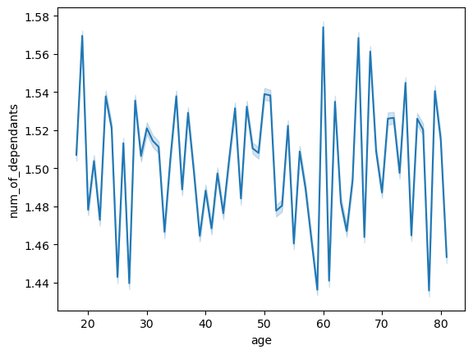


 | The line chart, titled 'Age and Family Situation', suggests a lack of discernible relationship between an individual's age and the number of dependents they have.
 |  |  |  |  |  |  | The scatterplot titled 'Age and Income' demonstrates that income levels for most individuals fall below the $200,000 mark. Notably, the data shows a greater variance in income among those aged 40 to 80, with these age groups exhibiting a higher propensity for income above the norm seen in the 20-39 age bracket. It's evident from the plot that earnings can markedly increase when individuals reach their 40s, with potential incomes ranging between $400,000 and $600,000. The visualization suggests a link between age and income, hinting at increased financial growth as individuals age.

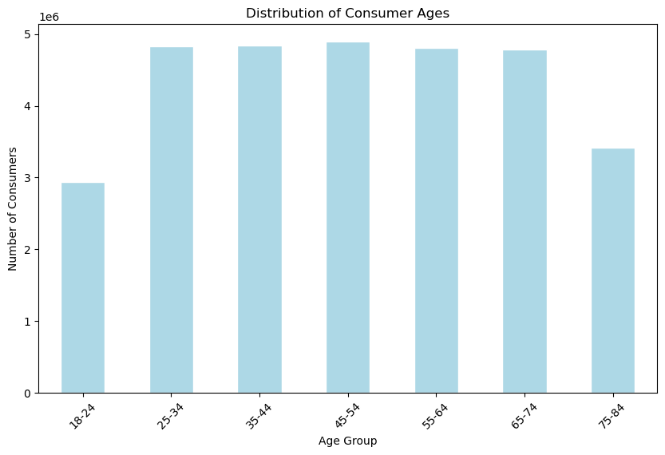

 |  | The bar chart titled 'Distribution of Consumer Ages' displays the number of consumers across different age brackets, from 18-24 to 75-84. Middle-aged groups (25-64) dominate the consumer base, each with over four million individuals, while the youngest (18-24) and oldest (75-84) age groups have notably fewer consumers, indicating a core demographic for targeted marketing.

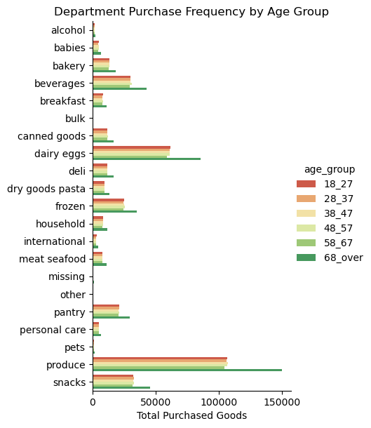
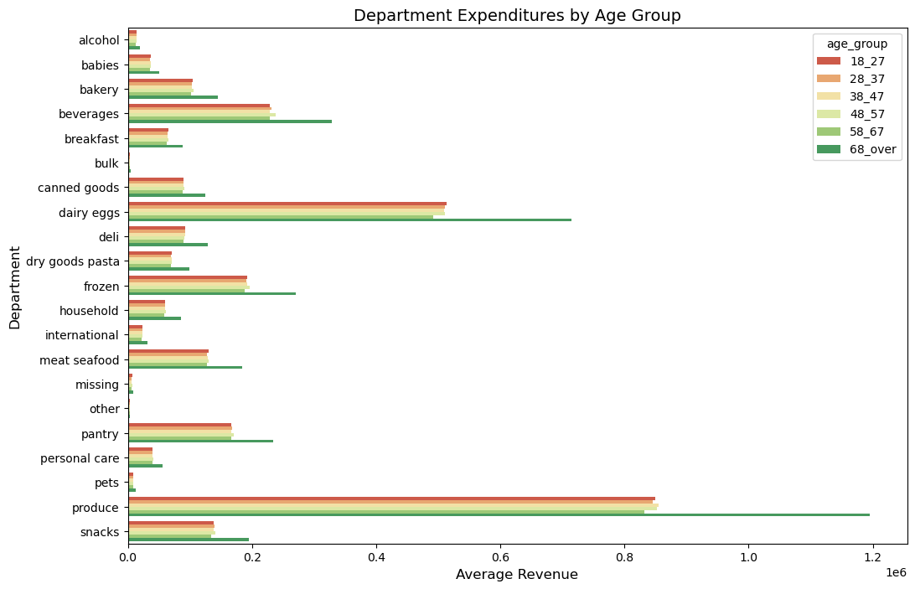

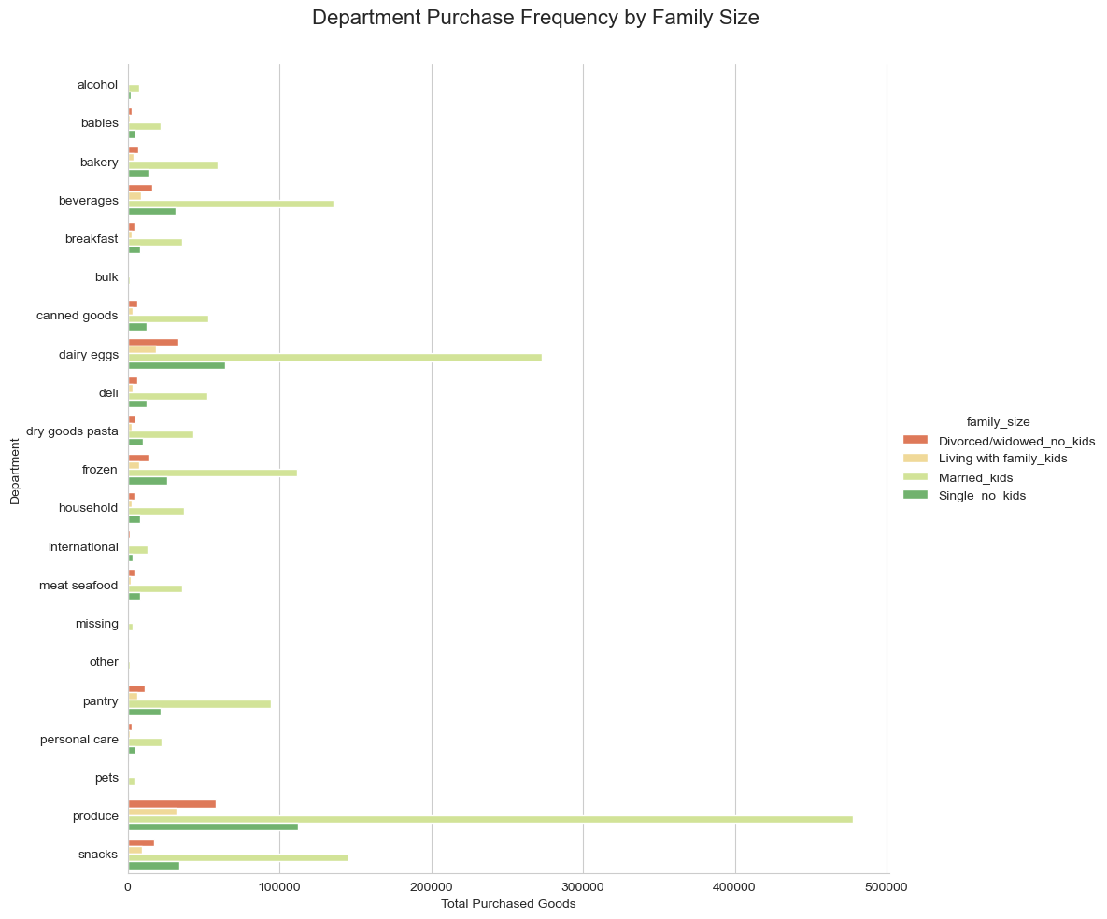

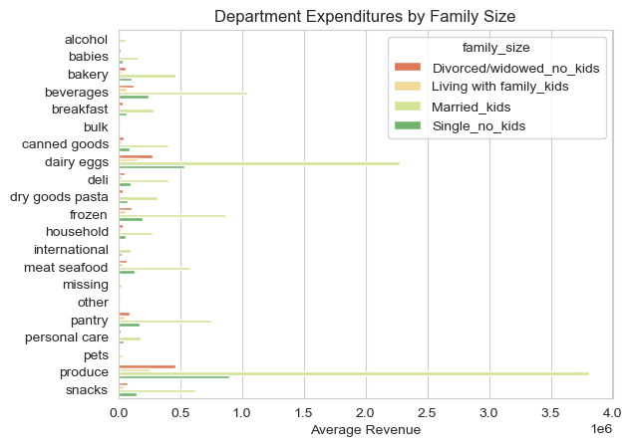

 |  |  |  |  | In all six bar charts, a consistent trend is observed across various demographics. Regardless of factors like age, family status or income, the produce department consistently ranks as the top category for orders. This is followed closely by dairy and eggs, snacks, and beverages in terms of popularity.

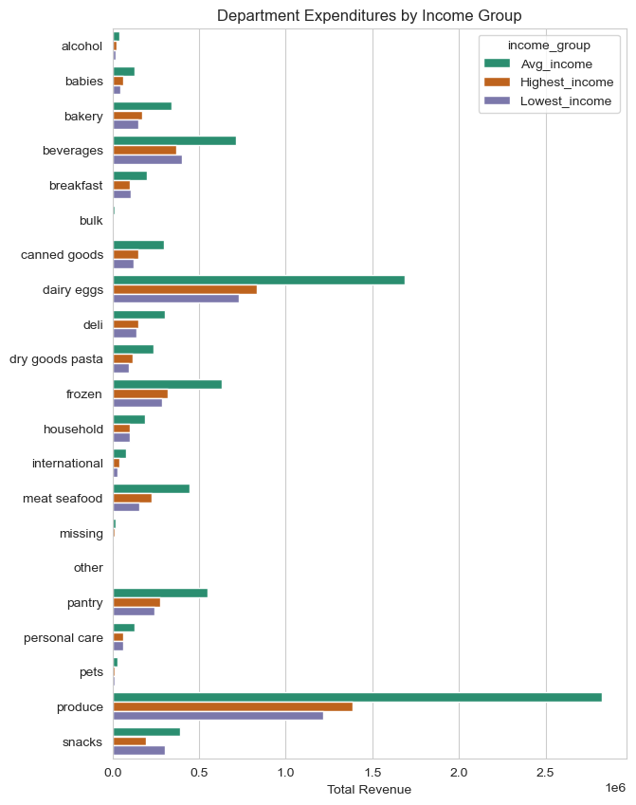
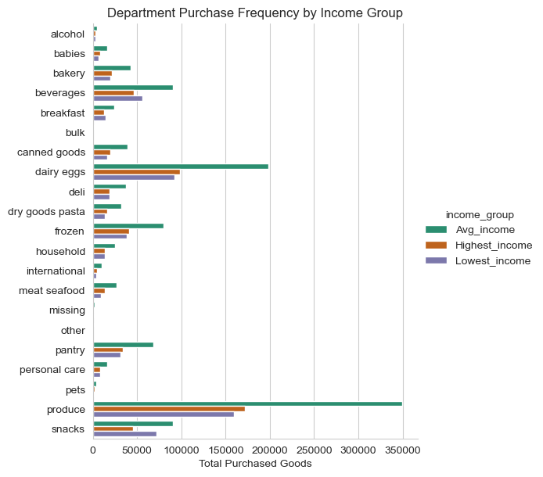

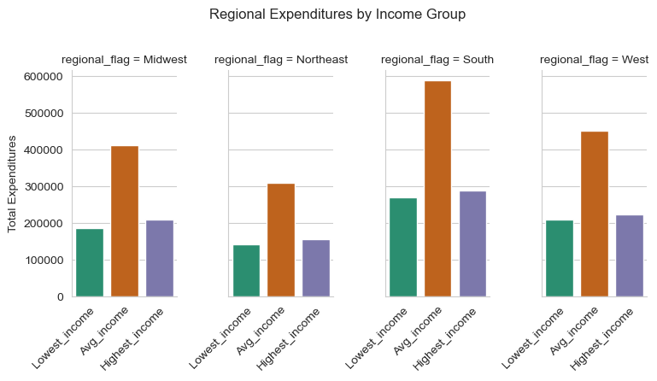

 |  |  |  |  |  |  |  |  | The bar chart, entitled 'Regional Expenditures by Income Group', showcases the distribution of different income brackets across regions. It highlights that middle-income earners predominate across the board, with their largest concentration in the South, and to a lesser extent in the West, Midwest, and Northeast, respectively. The graph also shows a comparative scarcity of the highest income earners in all regions.

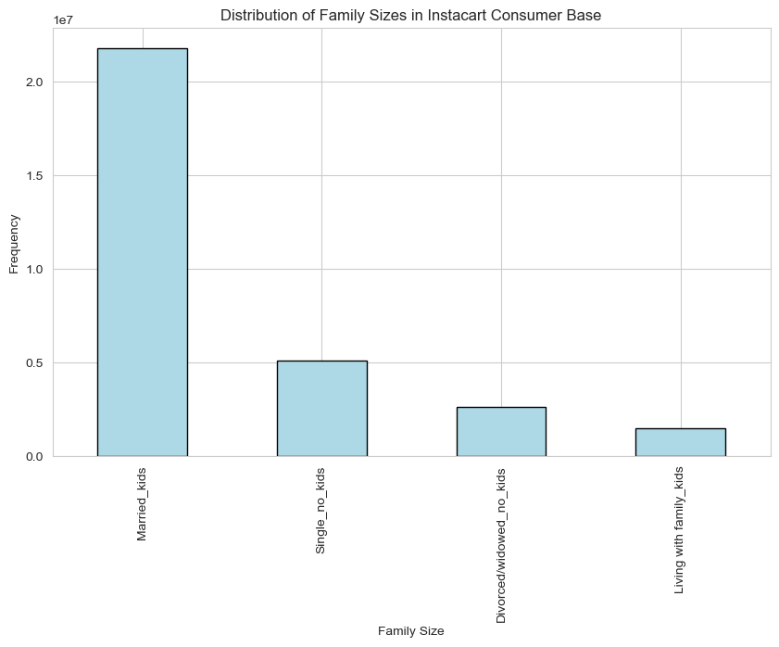

 |  |  |  |  |  |  |  |  |  | The bar chart presented indicates a prevalent trend of individuals being married with children.

7. Recommendations
 |  |  | Title page

Recommendations

Question | Answer | Visualization
Key Question 1. The sales team needs to know what the busiest days of the week and hours of the day are (i.e., the days and times with the most orders) in order to schedule ads at times when there are fewer orders. | To optimize our sales strategy, it's critical to consider customer order patterns. Analysis indicates that weekends experience a surge in order activity, with Saturdays drawing the highest volume. This is closely followed by Sundays and Fridays. Notably, order frequency hits its peak between the hours of 9 am and 4 pm. To capitalize on lower traffic periods, advertising efforts could be more effective if scheduled post-4 pm on weekdays. Specifically, Wednesday emerges as the optimal day for ad placement due to its record of minimal order activity, with Tuesday and Monday also being less busy in comparison to other days. This scheduling could potentially increase visibility when consumer buying is at a lull, potentially stimulating off-peak sales. | Orders by Time of Day
Key Question 2. They also want to know whether there are particular times of the day when people spend the most money, as this might inform the type of products they advertise at these times. | Data suggests a trend where higher-priced items see increased sales around 3 am, whereas lower-priced items tend to sell more around 10 am. Observations indicate that while weekday order values remain consistent, there's a noticeable uptick in the average price of items purchased over the weekend. Given these insights, it would be strategic for the sales team to focus their marketing efforts on premium items during early weekend mornings, specifically targeting the 3 am buying window. This targeted approach could potentially maximize the return on advertising spend by aligning with customer spending habits. | Order Prices Throughout the Day
Key Question 3. Instacart has a lot of products with different price tags. Marketing and sales want to use simpler price range groupings to help direct their efforts. | A significant portion of products fall within the price range of $2 to $15, suggesting a consumer preference for items that are economically priced. | Frequency of Prices
Key Question 4. Are there certain types of products that are more popular than others? The marketing and sales teams want to know which departments have the highest frequency of product orders. | Produce, dairy eggs, and snacks top the list of most frequently ordered items, transcending demographic factors such as age, family structure, and income levels.
Key Question 5. The marketing and sales teams are particularly interested in the different types of customers in their system and how their ordering behaviors differ. | It is essential for the marketing and sales teams to consider and strategize around the various age demographics. Given that individuals aged 40 and above typically possess greater financial resources, focusing marketing efforts on this segment could prove beneficial. | Age and Income
Key Question 6. What's the distribution among users in regards to their brand loyalty? (i.e., how often do they return to Instacart? | Regarding brand allegiance, it's observed that repeat customers primarily consist of those who shop regularly rather than those who are deeply loyal. Interestingly, it is the newer customers who exhibit the strongest loyalty to brands. Therefore, enhancing customer retention strategies with additional incentives could be key to nurturing this loyalty. | Customer Loyalty

